CATG
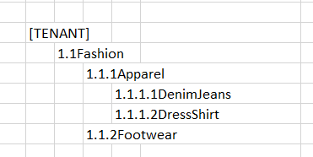
PARENT_CATG_CODE | CHILD_CATG_CODE | CATG_DESC | CAG_CATG_CODE
Character(20), M | Character(20), M | Character(60), M | Character(20), M
[TENANT] | 1.1Fashion | Fashion
1.1Fashion | 1.1.1Apparel | Apparel
1.1Fashion | 1.1.2Footwear | Footwear
1.1.1Apparel | 1.1.1.1DenimJeans | DenimJeans | BOTTOMS
1.1.1Apparel | 1.1.1.2DressShirt | DressShirt | TOPS

Description:
PARENT_CATG_CODE (Column A) - [TENANT] will be given after Jewel has create the customer code, number prefix in-front only to indicate the level, is not required.
CHILD_CATG_CODE - is use to map with SKU file (SKU_CATG_TENANT - column K)
CAG_CATG_CODE - lowest level of category required to map with CATG Hierarchy (column C)

Legend
M' | 'M' refers to Mandatory
O' | 'O' refers to Optional
 | Tenant's Information
 | To refer to CATG Hierarchy tab, column C

Ilustration for the Hierarchy |  |  | Example:

